Shortest Path
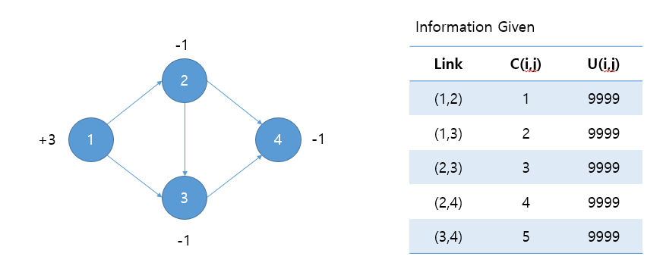
Weighted Moving Averages
 | 'Transportation Model'!#REF! | 'Transportation Model'!#REF! | 'Transportation Model'!#REF!
 | 0 | 0 | 0
Shortest Path Problem
 | Node-Arc Incidence Matrix
Given
 | 4 nodes, 5 links (random network) with the following information

 | C(I,j) | 1 | 2 | 3 | 4 | 5

Variables |  | X12 | X13 | X23 | X24 | X34
Objective Functions |  | 2 | 1 | 0 | 1 | 0 | 8
Constraints |  |  |  |  |  |  |  |  | b(i)
 | i=1 | 1 | 1 |  |  |  | 3 | = | 3
 | i=2 | -1 |  | 1 | 1 |  | -1 | = | -1
 | i=3 |  | -1 | -1 |  | 1 | -1 | = | -1
 | i=4 |  |  |  | -1 | -1 | -1 | = | -1

Max Flow (1)
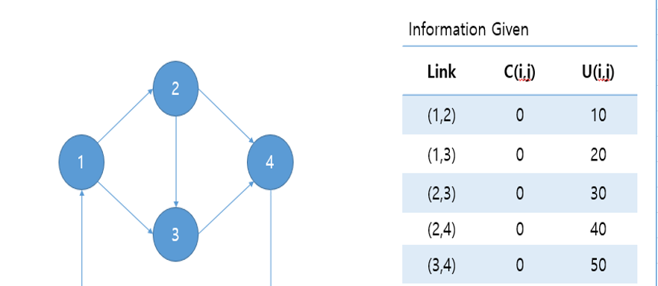
Weighted Moving Averages
 | 'Transportation Model'!#REF! | 'Transportation Model'!#REF! | 'Transportation Model'!#REF!
 | 0 | 0 | 0
Max_Flow Problem
 | Node-Arc Incidence Matrix
Given
 | 4 nodes, 5 links (random network) with the following information

 | C(I,j) | 0 | 0 | 0 | 0 | 0
 | U(I,j) | 10 | 20 | 30 | 40 | 50

Variables |  | X12 | X13 | X23 | X24 | X34 | V
Objective Variables/Functions |  | 10 | 20 | 0 | 10 | 20 | 30 | 30
Constraints |  |  |  |  |  |  |  |  |  | b(i)
 | i=1 | 1 | 1 |  |  |  | -1 | 0 | = | 0
 | i=2 | -1 |  | 1 | 1 |  |  | 0 | = | 0
 | i=3 |  | -1 | -1 |  | 1 |  | 0 | = | 0
 | i=4 |  |  |  | -1 | -1 | 1 | 0 | = | 0

Max Flow(2)
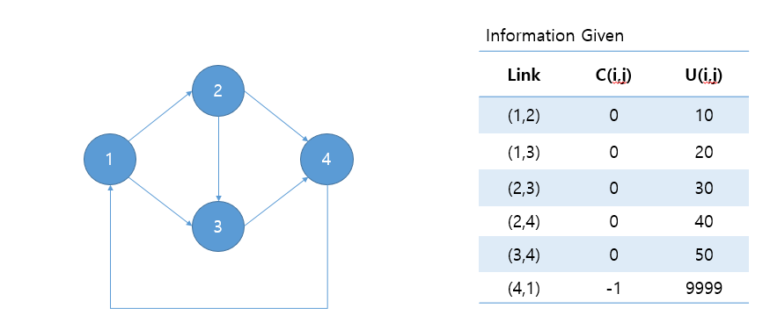
Weighted Moving Averages
 | 'Transportation Model'!#REF! | 'Transportation Model'!#REF! | 'Transportation Model'!#REF!
 | 0 | 0 | 0
Max_Flow Problem
 | Node-Arc Incidence Matrix
Given
 | 4 nodes, 5 links (random network) with the following information

 | C(I,j) | 0 | 0 | 0 | 0 | 0 | -1
 | U(I,j) | 10 | 20 | 30 | 40 | 50 | 9,999

Variables |  | X12 | X13 | X23 | X24 | X34 | X41
Objective Variables/Functions |  | 0 | 0 | 0 | 0 | 0 | 0 | 0
Constraints |  |  |  |  |  |  |  |  |  | b(i)
 | i=1 | 1 | 1 |  |  |  | -1 | 0 | = | 0
 | i=2 | -1 |  | 1 | 1 |  |  | 0 | = | 0
 | i=3 |  | -1 | -1 |  | 1 |  | 0 | = | 0
 | i=4 |  |  |  | -1 | -1 | 1 | 0 | = | 0

Min Cost
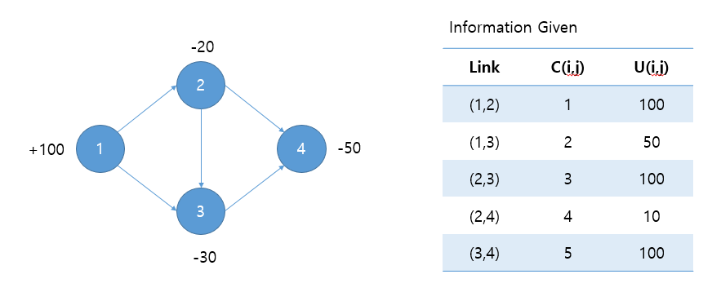
Weighted Moving Averages
 | 'Transportation Model'!#REF! | 'Transportation Model'!#REF! | 'Transportation Model'!#REF!
 | 0 | 0 | 0
Minimum Cost Problem
 | Node-Arc Incidence Matrix
Given
 | 4 nodes, 5 links (random network) with the following information

 | C(I,j) | 1 | 2 | 3 | 4 | 5
 | U(I,j) | 100 | 50 | 100 | 10 | 100

Variables |  | X12 | X13 | X23 | X24 | X34
Objective Variables/Functions |  | 50 | 50 | 20 | 10 | 40 | 450
Constraints |  |  |  |  |  |  |  |  | b(i)
 | i=1 | 1 | 1 |  |  |  | 100 | <= | 100
 | i=2 | -1 |  | 1 | 1 |  | -20 | <= | -20
 | i=3 |  | -1 | -1 |  | 1 | -30 | <= | -30
 | i=4 |  |  |  | -1 | -1 | -50 | <= | -50

Transportation Problem
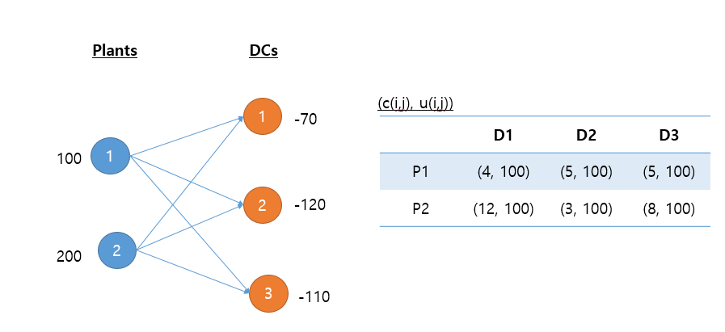
Weighted Moving Averages
 | 'Transportation Model'!#REF! | 'Transportation Model'!#REF! | 'Transportation Model'!#REF!
 | 0 | 0 | 0
Transportation Problem
 | Node-Arc Incidence Matrix
Given

 | C(i,j) | 4 | 5 | 5 | 12 | 3 | 8
 | U(i,j) | 100 | 100 | 100 | 100 | 100 | 100

Variables |  | X11 | X12 | X13 | X21 | X22 | X23
Objective Variables/Functions |  | 70 | 20 | 10 | 0 | 100 | 100 | 1,530
Constraints |  |  |  |  |  |  |  |  |  | b(i)
 | s=1 | 1 | 1 | 1 |  |  |  | 100 | = | 100
 | s=2 |  |  |  | 1 | 1 | 1 | 200 | = | 200
 | d=1 | -1 |  |  | -1 |  |  | -70 | = | -70
 | d=2 |  | -1 |  |  | -1 |  | -120 | = | -120
 | d=3 |  |  | -1 |  |  | -1 | -110 | = | -110

Simple NetDesign
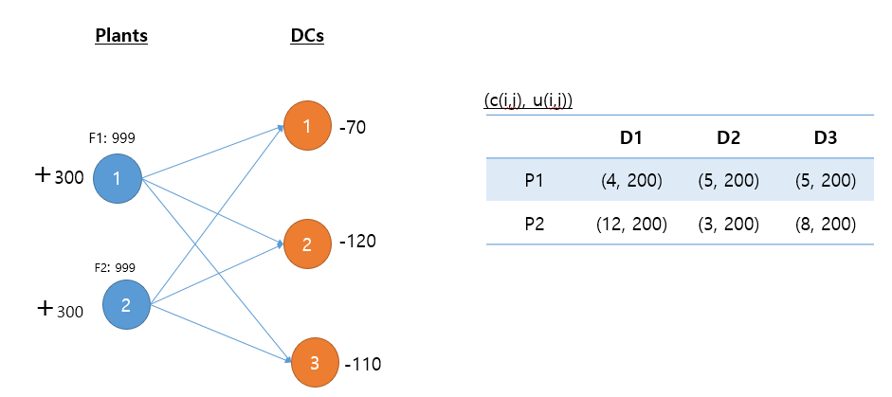
Weighted Moving Averages
 | 'Transportation Model'!#REF! | 'Transportation Model'!#REF! | 'Transportation Model'!#REF!
 | 0 | 0 | 0
Simple Network Design
 | Node-Arc Incidence Matrix
Given

 | C(i,j)/F(i) | 4 | 5 | 5 | 12 | 3 | 8 | 999 | 999
 | U(i,j) | 200 | 200 | 200 | 200 | 200 | 200

Variables |  | X11 | X12 | X13 | X21 | X22 | X23 | Y1 | Y2
Objective Variables/Functions |  | 70 | 120 | 110 | 0 | 0 | 0 | 1 | 0 | 2,429
Constraints |  |  |  |  |  |  |  |  |  |  |  | b(i)
 | s=1 | 1 | 1 | 1 |  |  |  | -300 |  | 0 | <= | 0
 | s=2 |  |  |  | 1 | 1 | 1 |  | -300 | 0 | <= | 0
 | d=1 | -1 |  |  | -1 |  |  |  |  | -70 | <= | -70
 | d=2 |  | -1 |  |  | -1 |  |  |  | -120 | <= | -120
 | d=3 |  |  | -1 |  |  | -1 |  |  | -110 | <= | -110

